VERSACE COLLECTION
VERSACE

DESCRIPTION |  |  |  | MADE IN | DESCR. COLOUR | COMPOSITION | DESCRIPTION | Retail price | Q.TY | EAN CODE | PHOTO | PHOTO
V93129S | VM00043 | V000N | V93129S_VM00043_V000N | INDIA | BLACK | 100%LE | VITELLO SAFFIANO | € 450.00 | 1,706 | 8055764880674 |  | 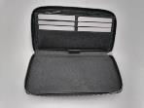
V93129S | VM00260 | V000N | V93129S_VM00260_V000N | INDIA | BLACK | 100% LE | VITELLO ST. ALCE | € 450.00 | 95 | 8055764880674 | 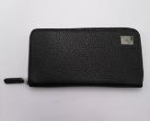 | 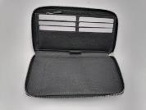
 |  |  |  |  |  |  |  |  | 1,801

